Sheet1
No | antecedants | AntName | consequents | ConName | support | confidence | lift
...
200 | 1907 | Skin Perfecting 8% AHA Gel | 2017 | Skin Perfecting 2% BHA (Salicylic Acid) Liquid | 0.9445% | 34.1176% | 8.4347446671
986 | 8740 | PC4Men Nighttime Repair | 8730 | PC4Men Daytime Protect SPF 30 | 0.8112% | 26.0274% | 37.777507733
984 | 8740 | PC4Men Nighttime Repair | 8720 | PC4Men Soothe + Smooth Treatment 2% BHA (Salicylic Acid) | 0.8112% | 23.2877% | 29.937964775
982 | 8740 | PC4Men Nighttime Repair | 8700 | PC4Men Face Wash | 0.8112% | 21.9178% | 23.480756686
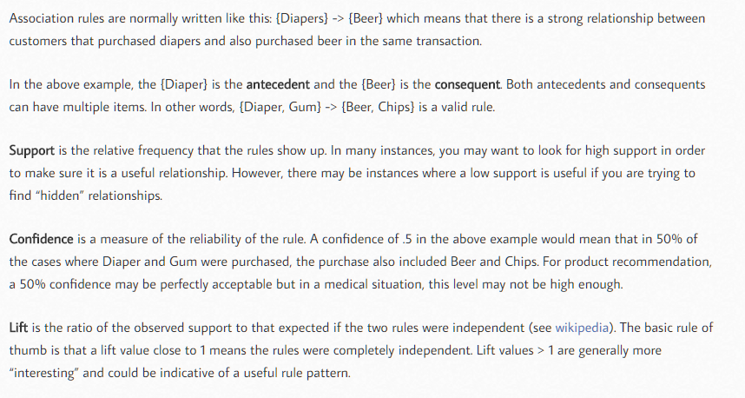
302 | 2019 | Skin Perfecting 2% BHA (Salicylic Acid) Liquid | 7829 | Resist Daily Pore-Refining Treatment 2% BHA (Salicylic Acid) | 0.8112% | 20.5479% | 27.598650583
985 | 8720 | PC4Men Soothe + Smooth Treatment 2% BHA (Salicylic Acid) | 8740 | PC4Men Nighttime Repair | 0.7779% | 24.2857% | 29.937964775
978 | 8720 | PC4Men Soothe + Smooth Treatment 2% BHA (Salicylic Acid) | 8700 | PC4Men Face Wash | 0.7779% | 22.8571% | 24.48707483
303 | 7829 | Resist Daily Pore-Refining Treatment 2% BHA (Salicylic Acid) | 2019 | Skin Perfecting 2% BHA (Salicylic Acid) Liquid | 0.7445% | 22.3881% | 27.598650583
57 | 1159 | Skin Balancing Oil-Reducing Cleanser | 3409 | Skin Balancing Invisible Finish Moisture Gel | 0.7223% | 26.1538% | 23.535846154
987 | 8730 | PC4Men Daytime Protect SPF 30 | 8740 | PC4Men Nighttime Repair | 0.6890% | 30.6452% | 37.777507733
471 | 5800 | Resist Retinol Skin-Smoothing Body Treatment | 5900 | Resist Skin Revealing Body Lotion 10% AHA (Glycolic Acid) | 0.6667% | 31.6667% | 15.920018622
1114 | 7780, 7820 | Resist Weightless Advanced Repairing Toner & Resist Daily Pore-Refining Treatment 2% BHA (Salicylic Acid) | 7830 | Resist Perfectly Balanced Foaming Cleanser | 0.6556% | 32.2034% | 9.1131542479
997 | 9140 | Calm Sensitive Nighttime Moisturizer (Normal / Dry) | 9120 | Calm Sensitive Toner (Normal / Dry) | 0.6556% | 22.0339% | 37.411896386
999 | 9140 | Calm Sensitive Nighttime Moisturizer (Normal / Dry) | 9130 | Calm Sensitive Daytime Moisturizer SPF 30 (Normal / Dry) | 0.6556% | 20.3390% | 32.68401937
1072 | 7780, 7820 | Resist Weightless Advanced Repairing Toner & Resist Daily Pore-Refining Treatment 2% BHA (Salicylic Acid) | 7690 | Resist Anti-Aging Clear Skin Hydrator | 0.6556% | 20.3390% | 6.3773696333
827 | 7769 | Resist Super-Light Daily Wrinkle Defense SPF 30 | 7809 | Resist Youth-Extending Daily Mattifying Fluid SPF 50 | 0.6445% | 20.6897% | 46.546551724
990 | 9130 | Calm Sensitive Daytime Moisturizer SPF 30 (Normal / Dry) | 9110 | Calm Sensitive Cleanser (Normal / Dry) | 0.6223% | 21.4286% | 38.567142857
994 | 9130 | Calm Sensitive Daytime Moisturizer SPF 30 (Normal / Dry) | 9120 | Calm Sensitive Toner (Normal / Dry) | 0.6223% | 21.4286% | 36.384097035
998 | 9130 | Calm Sensitive Daytime Moisturizer SPF 30 (Normal / Dry) | 9140 | Calm Sensitive Nighttime Moisturizer (Normal / Dry) | 0.6223% | 21.4286% | 32.68401937
1008 | 9189 | Calm Sensitive Nighttime Moisturizer (Oily / Combination) | 9179 | Calm Sensitive Daytime Moisturizer SPF 30 (Oily / Combination) | 0.6112% | 27.2727% | 49.085454545
427 | 7699 | Resist Anti-Aging Clear Skin Hydrator | 3409 | Skin Balancing Invisible Finish Moisture Gel | 0.6112% | 25.4545% | 22.906545455
139 | 1359 | Skin Balancing Pore-Reducing Toner | 3409 | Skin Balancing Invisible Finish Moisture Gel | 0.6001% | 29.6296% | 26.663703704
50 | 1359 | Skin Balancing Pore-Reducing Toner | 1159 | Skin Balancing Oil-Reducing Cleanser | 0.6001% | 20.3704% | 28.201994302
988 | 9120 | Calm Sensitive Toner (Normal / Dry) | 9110 | Calm Sensitive Cleanser (Normal / Dry) | 0.5890% | 28.3019% | 50.937735849
996 | 9120 | Calm Sensitive Toner (Normal / Dry) | 9140 | Calm Sensitive Nighttime Moisturizer (Normal / Dry) | 0.5890% | 24.5283% | 37.411896386
2 | 1051 | Skin Recovery Softening Cream Cleanser | 1250 | Skin Recovery Enriched Calming Toner | 0.5890% | 24.5283% | 17.244545991
995 | 9120 | Calm Sensitive Toner (Normal / Dry) | 9130 | Calm Sensitive Daytime Moisturizer SPF 30 (Normal / Dry) | 0.5890% | 22.6415% | 36.384097035
989 | 9110 | Calm Sensitive Cleanser (Normal / Dry) | 9120 | Calm Sensitive Toner (Normal / Dry) | 0.5556% | 30.0000% | 50.937735849
1009 | 9179 | Calm Sensitive Daytime Moisturizer SPF 30 (Oily / Combination) | 9189 | Calm Sensitive Nighttime Moisturizer (Oily / Combination) | 0.5556% | 30.0000% | 49.085454545
991 | 9110 | Calm Sensitive Cleanser (Normal / Dry) | 9130 | Calm Sensitive Daytime Moisturizer SPF 30 (Normal / Dry) | 0.5556% | 24.0000% | 38.567142857
468 | 5709 | Resist Weightless Body Lotion 2% BHA (Salicylic Acid) | 5909 | Resist Skin Revealing Body Lotion 10% AHA (Glycolic Acid) | 0.5556% | 22.0000% | 58.228823529
732 | 7749 | Resist Ultra-Light Super Antioxidant Concentrate Serum | 7699 | Resist Anti-Aging Clear Skin Hydrator | 0.5556% | 22.0000% | 35.996
1136 | 7860, 7980 | Resist Hyaluronic Acid Booster & Resist 10% Niacinamide Booster | 7870 | Resist 1% Retinol Booster | 0.5556% | 22.0000% | 12.690897436
896 | 7807 | Resist Youth-Extending Daily Mattifying Fluid SPF 50 | 7827 | Resist Daily Pore-Refining Treatment 2% BHA (Salicylic Acid) | 0.5223% | 34.0426% | 13.204695525
879 | 7789 | Resist Weightless Advanced Replenishing Toner | 7839 | Resist Perfectly Balanced Foaming Cleanser | 0.5112% | 21.7391% | 46.578674948
1089 | 7820, 7770 | Resist Daily Pore-Refining Treatment 2% BHA (Salicylic Acid) & Resist C15 Super Booster | 7740 | Resist Ultra-Light Super Antioxidant Concentrate Serum | 0.4889% | 25.0000% | 8.5541825095
1035 | 7980, 1350 | Resist 10% Niacinamide Booster & Skin Balancing Pore-Reducing Toner | 7960 | Resist Whitening Essence | 0.4889% | 22.7273% | 10.434833024
1 | 1050 | Skin Recovery Softening Cream Cleanser | 1250 | Skin Recovery Enriched Calming Toner | 0.4778% | 25.5814% | 17.984920058
171 | 1569 | Skin Balancing Ultra-Sheer Daily Defense SPF 30 | 3409 | Skin Balancing Invisible Finish Moisture Gel | 0.4667% | 30.9524% | 27.854047619
58 | 7839 | Resist Perfectly Balanced Foaming Cleanser | 1159 | Skin Balancing Oil-Reducing Cleanser | 0.4667% | 26.1905% | 36.25970696
878 | 7839 | Resist Perfectly Balanced Foaming Cleanser | 7789 | Resist Weightless Advanced Replenishing Toner | 0.4667% | 23.8095% | 46.578674948
52 | 1569 | Skin Balancing Ultra-Sheer Daily Defense SPF 30 | 1159 | Skin Balancing Oil-Reducing Cleanser | 0.4667% | 23.8095% | 32.963369963
602 | 7839 | Resist Perfectly Balanced Foaming Cleanser | 7609 | Resist Optimal Results Hydrating Cleanser | 0.4667% | 21.4286% | 55.095918367
359 | 2759 | Skin Balancing Oil-Absorbing Mask | 2809 | Skin Recovery Hydrating Treatment Mask | 0.4667% | 21.4286% | 40.174107143
1113 | 7830, 7820 | Resist Perfectly Balanced Foaming Cleanser & Resist Daily Pore-Refining Treatment 2% BHA (Salicylic Acid) | 7780 | Resist Weightless Advanced Repairing Toner | 0.4556% | 46.3415% | 11.180343948
1083 | 7830, 7820 | Resist Perfectly Balanced Foaming Cleanser & Resist Daily Pore-Refining Treatment 2% BHA (Salicylic Acid) | 7690 | Resist Anti-Aging Clear Skin Hydrator | 0.4556% | 29.2683% | 9.1771904479
826 | 7809 | Resist Youth-Extending Daily Mattifying Fluid SPF 50 | 7769 | Resist Super-Light Daily Wrinkle Defense SPF 30 | 0.4445% | 30.0000% | 46.546551724
1078 | 7690, 7780 | Resist Anti-Aging Clear Skin Hydrator & Resist Weightless Advanced Repairing Toner | 7830 | Resist Perfectly Balanced Foaming Cleanser | 0.4445% | 30.0000% | 8.4896226415
1052 | 7830, 2010 | Resist Perfectly Balanced Foaming Cleanser & Skin Perfecting 2% BHA (Salicylic Acid) Liquid | 7780 | Resist Weightless Advanced Repairing Toner | 0.4445% | 27.5000% | 6.6346514745
637 | 7649 | Resist Super Antioxidant Concentrate Serum | 7619 | Resist Barrier Repair Moisturizer | 0.4334% | 28.2051% | 70.504985755
661 | 7649 | Resist Super Antioxidant Concentrate Serum | 7749 | Resist Ultra-Light Super Antioxidant Concentrate Serum | 0.4334% | 23.0769% | 41.533846154
54 | 3359 | Skin Balancing Super Antioxidant Mattifying Concentrate Serum | 1159 | Skin Balancing Oil-Reducing Cleanser | 0.4334% | 23.0769% | 31.949112426
1084 | 7690, 7820 | Resist Anti-Aging Clear Skin Hydrator & Resist Daily Pore-Refining Treatment 2% BHA (Salicylic Acid) | 7830 | Resist Perfectly Balanced Foaming Cleanser | 0.4223% | 31.5789% | 8.9364448858
...

